Customer Requirement
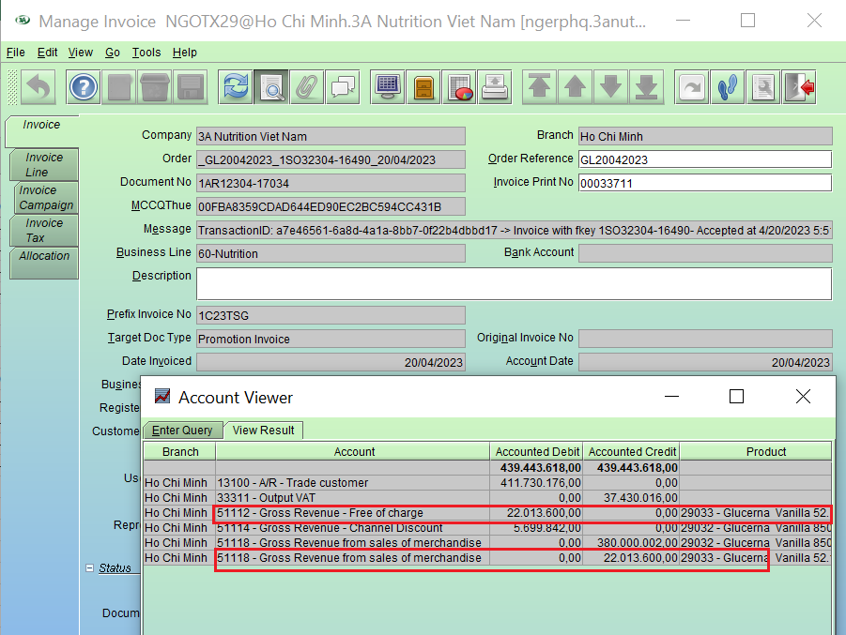
Current
REPORTINGDATE | AFFILIATECODE | SHORTCODE3A | PRODUCTCODE | SODOCNO | INVOICEDOCUMENTNO | INVOICEDATE | DOCUMENTTYPE | INVOICECOUNT | ISSAMPLECHANNEL | LOCALLISTNUMBER | INVENTORYTYPE | LISTNUMBER | LABELCODE | SIZECODE | PACKCODE | COUNTRYOFSALE | SALESID | SALESTYPE | SCMSALESTYPE | SALESCURRENCY | COSTCURRENCY | TYPEOFENTRY | UNITSSOLD | NETSALES | COSTOFSALES | SALESDISCOUNT | PACKCODEUOM | CUSTOMERPROGRAM | CUSTOMERCHANNEL | CAMPAIGN | BRANCH | SUBCHANNEL | TYPEOFREPORT
20230420 | 157 | GL02VM | 29032 | 1SO32304-16490 | 1AR12304-17034 | 20/04/2023 | Promotion Invoice | 1 | N | 100Y495871285101 | 1 | 00Y495 | 871 | 285 | 101 | 157 | 3 | 16 | 1 | VND | VND | M | 0 | (5,699,842) | 0 | 0 | EA | COOP_COOP | Modern Trade |  | Ho Chi Minh | HS_HYPER/SUPER | GL5x
20230420 | 157 | GL02VM | 29032 | 1SO32304-16490 | 1AR12304-17034 | 20/04/2023 | Promotion Invoice | 1 | N | 100Y495871285101 | 1 | 00Y495 | 871 | 285 | 101 | 157 | 3 | 16 | 1 | VND | VND | M | 480 | 380,000,002 | 287628960 | 0 | EA | COOP_COOP | Modern Trade |  | Ho Chi Minh | HS_HYPER/SUPER | GL5x
20230420 | 157 | GL02V | 29033 | 1SO32304-16490 | 1AR12304-17034 | 20/04/2023 | Promotion Invoice | 1 | N | 100Y495871212052 | 1 | 00Y495 | 871 | 212 | 52 | 157 | 3 | 16 | 2 | VND | VND | M | 1120 | 22,013,600 | 25718560 | 0 | EA | COOP_COOP | Modern Trade |  | Ho Chi Minh | HS_HYPER/SUPER | GL5x
20230420 | 157 | GL02V | 29033 | 1SO32304-16490 | 1AR12304-17034 | 20/04/2023 | Promotion Invoice | 1 | N | 100Y495871212052 | 1 | 00Y495 | 871 | 212 | 52 | 157 | 3 | 16 | 2 | VND | VND | M | 0 | (22,013,600) | 0 | 0 | EA | COOP_COOP | Modern Trade |  | Ho Chi Minh | HS_HYPER/SUPER | GL5x

- In D56 report, we reconcile SCMSALESType 02 with GL 51112, but currently, it is diff between SCMSALESType 02 and GL 51112 by some invoices are Promotion Invoice type which exist FOC campaign in this invoice. - For promotion invoice type which exists FOC campaign, posting of invoice posted 51112 & 51118 for SKUs are applied FOC campaign, it is correct ----> in D56 report, it should display line of GL 51112 to SCMSALESType 02, GL 51118 to SCMSALESType 01 but current report displays both of them to SCMSALESType 02. Please help to fix so that line of GL 51112 post to SCMSALESType 02 only, GL 51118 post to SCMSALESType 01 for this case.

To Be
REPORTINGDATE | AFFILIATECODE | SHORTCODE3A | PRODUCTCODE | SODOCNO | INVOICEDOCUMENTNO | INVOICEDATE | DOCUMENTTYPE | INVOICECOUNT | ISSAMPLECHANNEL | LOCALLISTNUMBER | INVENTORYTYPE | LISTNUMBER | LABELCODE | SIZECODE | PACKCODE | COUNTRYOFSALE | SALESID | SALESTYPE | SCMSALESTYPE | SALESCURRENCY | COSTCURRENCY | TYPEOFENTRY | UNITSSOLD | NETSALES | COSTOFSALES | SALESDISCOUNT | PACKCODEUOM | CUSTOMERPROGRAM | CUSTOMERCHANNEL | CAMPAIGN | BRANCH | SUBCHANNEL | TYPEOFREPORT
20230420 | 157 | GL02VM | 29032 | 1SO32304-16490 | 1AR12304-17034 | 20/04/2023 | Promotion Invoice | 1 | N | 100Y495871285101 | 1 | 00Y495 | 871 | 285 | 101 | 157 | 3 | 16 | 1 | VND | VND | M | 0 | (5,699,842) | 0 | 0 | EA | COOP_COOP | Modern Trade |  | Ho Chi Minh | HS_HYPER/SUPER | GL5x
20230420 | 157 | GL02VM | 29032 | 1SO32304-16490 | 1AR12304-17034 | 20/04/2023 | Promotion Invoice | 1 | N | 100Y495871285101 | 1 | 00Y495 | 871 | 285 | 101 | 157 | 3 | 16 | 1 | VND | VND | M | 480 | 380,000,002 | 287628960 | 0 | EA | COOP_COOP | Modern Trade |  | Ho Chi Minh | HS_HYPER/SUPER | GL5x
20230420 | 157 | GL02V | 29033 | 1SO32304-16490 | 1AR12304-17034 | 20/04/2023 | Promotion Invoice | 1 | N | 100Y495871212052 | 1 | 00Y495 | 871 | 212 | 52 | 157 | 3 | 16 | 2 | VND | VND | M | 1120 | 22,013,600 | 25718560 | 0 | EA | COOP_COOP | Modern Trade |  | Ho Chi Minh | HS_HYPER/SUPER | GL5x
20230420 | 157 | GL02V | 29033 | 1SO32304-16490 | 1AR12304-17034 | 20/04/2023 | Promotion Invoice | 1 | N | 100Y495871212052 | 1 | 00Y495 | 871 | 212 | 52 | 157 | 3 | 16 | 1 | VND | VND | M | 0 | (22,013,600) | 0 | 0 | EA | COOP_COOP | Modern Trade |  | Ho Chi Minh | HS_HYPER/SUPER | GL5x

